Introduction
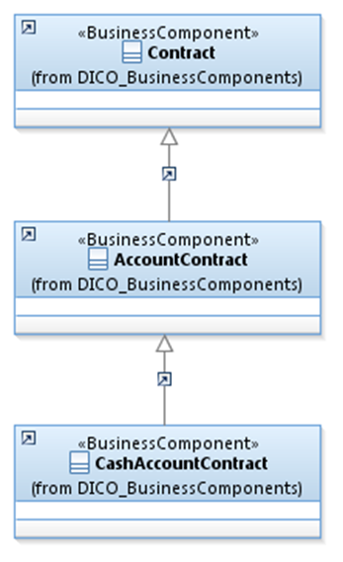
 | Introduction

This document describes the Business Model Components and Elements used by the Administrative Function message definitions (T2S).

In the “Business Model” tab, the cells with text in green indicate the business concepts used by the Administrative Function message definitions (T2S).

The “Traces” tab shows to which business concepts the Administrative Function (T2S) message components and message elements trace.

AdminFunction
